SUBTOTAL GUI
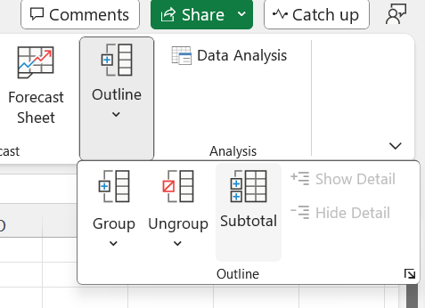
Product | Qty | Price | Revenue | Shipping
Product A | 1 | $20.00 | $20.00 | $67.00
Product A | 11 | $20.00 | $220.00 | $73.00
Product A Total | 12 |  | $240.00 | $140.00
Product B | 92 | $15.00 | $1,380.00 | $33.00
Product B | 21 | $15.00 | $315.00 | $57.00
Product B | 30 | $15.00 | $450.00 | $47.00
Product B | 69 | $15.00 | $1,035.00 | $9.00
Product B Total | 212 |  | $3,180.00 | $146.00
Product C | 51 | $12.00 | $612.00 | $4.00
Product C | 12 | $12.00 | $144.00 | $93.00
Product C | 17 | $12.00 | $204.00 | $81.00
Product C | 54 | $12.00 | $648.00 | $31.00
Product C | 44 | $12.00 | $528.00 | $80.00
Product C Total | 178 |  | $2,136.00 | $289.00
Grand Total | 402 |  | $5,556.00 | $575.00

